Instructions
 |  | B2B semantic format

File structure overview

This document is structured into several tabs: - The "tab Version " which allows you to consult the changes for each version delivered - The "tab Instructions "- L the dedicated tabs in different semantic formats (UBL / CII / Factur X FR CII D16B Extended)

 | Column A “ID” : indicates the identifier of a field allowing it to be uniquely identified in order to follow its developments. The ID should not be changed.

 | Column B “Cardinality” : indicates the possible number of relationships between two elements of a data model. Its value can be single (1) or multiple (*).

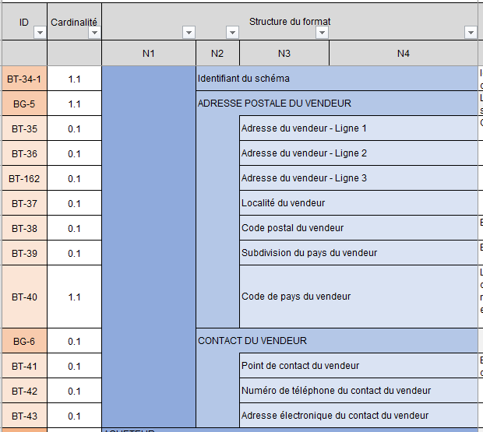
 | CDEF “Format structure” columns : present the tree structure of the semantic format.
 | The data is grouped into blocks, which can themselves be grouped into blocks: the whole constitutes the semantic format.

 |  |  | For example, the consultation format is made up of six blocks, containing data or sub-blocks of data, up to four tree levels. The blocks grouping the data are identified by an ID in the form BG (Business Group) while the data are identified by an ID in the form BT (Business Term).

 | GH columns “Path of the norm” : indicate the path of the data standard

 | IJ columns “Logical type” and “Length” : indicate the characteristics of each data. List of logical type values: Boolean, Date, identifier, list, number, text etc.

 | Column K “List of values & nomenclatures” : indicates in the case of “list” type data all possible values. The values are detailed in theAppendix 7 - Management rules . In certain cases, a management rule can restrict the values

 | Column L “Management rule to be respected” : indicates the rule(s) of each data that you will find in the Appendix 7 - Management rules .

 | Column M “Business definition of EN16931” : indicates the business definition of each data.

 | Column N “EN16931 usage note”: Indicates usage in the standard

 | Column OP: “EDI CPRO generic rules” & “EDI CPRO syntax rules” : these are the specific management rules. Each management rule is codified and detailed in the Appendix 7 - Management rules Codification of management rules: - G: Rules applied for all flow formats - S: Syntactic rules - P: Recommendation rule, i.e. good practices to be respected but which do not lead, if they are not, upon rejection of the flow

 | Column Q: “Rules of standard EN16931 " : these are the management rules specific to the standard. Each management rule is codified and detailed in the Appendix 7 - Management rules .

 | Column R: “Comment”: Comment on the data

 | Column S: “Flow 10 correspondence” : identification of the fields of flow 8 which are also present in flow 10. This column is only present on the "FE - Flow 8 - UBL" tab, but concerns all formats (UBL, CII, Factur-X ).

